Quick Analysis
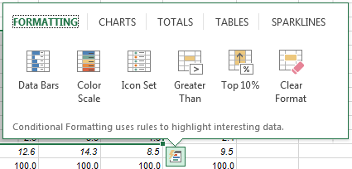
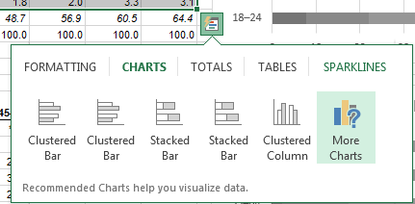
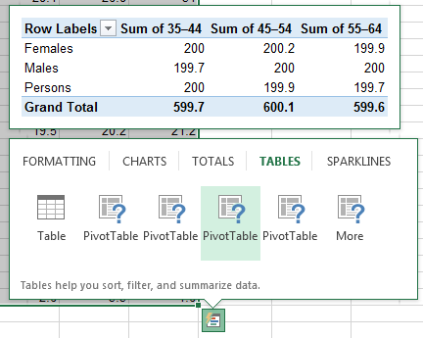
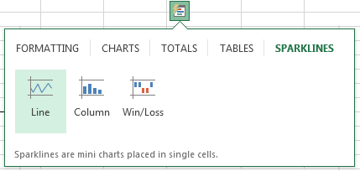
click to read tutorial
Quick Analysis - New in Excel 2013

Select any 2 or more cells containing data and you'll notice a new icon pops up: It's the Quick Analysis tool and a click on it will reveal a new menu
containing 5 tabs (Formatting, Charts, Totals, Tables and Sparklines) as shown below.

Click on the images below to see the results of each icon and experiment with them.

Charts
% of Persons usual daily intake of fruit
Daily intake of fruit and vegetables(z), Proportion of persons |  |  |  |  |  |  |  | Note: these charts have been modified after using Quick Analysis to insert them.
PROPORTION OF PERSONS (%)
 | Age group (years)
% of Persons usual daily intake of fruit | 18–24 | 25–34 | 35–44 | 45–54 | 55–64 | 65–74 | 75+
Does not eat fruit | 7.8 | 7.6 | 8.7 | 6.8 | 5.6 | 3.5 | *1.7
Less than 1 serve | 14.2 | 15.0 | 15.0 | 13.5 | 12.0 | 9.1 | 9.3
1 serve | 37.2 | 36.3 | 35.8 | 30.9 | 25.4 | 26.9 | 24.6
2 serves | 26.1 | 27.5 | 25.3 | 29.2 | 33.2 | 34.5 | 33.9
3 serves | 9.3 | 9.3 | 10.8 | 13.2 | 17.0 | 18.1 | 20.8
4 serves | 3.2 | 3.2 | 3.0 | 4.5 | 4.6 | 4.6 | 6.5
5 or more serves | *2.3 | 1.0 | 1.4 | 1.8 | 2.0 | 3.3 | 3.1
2 or more serves (met guideline) | 40.9 | 41.0 | 40.5 | 48.7 | 56.9 | 60.5 | 64.4
Total(a) | 100.0 | 100.0 | 100.0 | 100.0 | 100.0 | 100.0 | 100.0

% of Persons usual daily intake of vegetables
% of Persons usual daily intake of vegetables | 18–24 | 25–34 | 35–44 | 45–54 | 55–64 | 65–74 | 75+
Does not eat vegetables | *1.0 | *0.9 | *1.0 | *0.6 | *0.3 | **0.2 | **0.2
Less than 1 serve | 6.2 | 3.2 | 3.1 | 3.3 | 2.1 | 1.8 | *2.6
1 serve | 33.9 | 27.2 | 23.1 | 22.0 | 15.6 | 15.4 | 15.4
2 serves | 26.4 | 30.5 | 30.9 | 30.8 | 29.1 | 25.6 | 25.2
3 serves | 17.7 | 22.9 | 23.3 | 24.2 | 27.8 | 25.8 | 31.8
4 serves | 9.2 | 9.7 | 11.0 | 10.6 | 14.2 | 18.6 | 14.8
5 serves | 4.2 | 3.6 | 5.7 | 5.8 | 8.3 | 9.6 | 7.8
6 or more serves | *1.4 | 2.1 | 1.9 | 2.7 | 2.5 | 3.0 | 2.2
5 or more serves (met guideline) | 5.7 | 5.6 | 7.6 | 8.5 | 10.8 | 12.6 | 10.1
Total(b)(c) | 100.0 | 100.0 | 100.0 | 100.0 | 100.0 | 100.0 | 100.0

Dietary guidelines
Adequate fruit and vegetable consumption | 3.3 | 3.0 | 4.6 | 5.6 | 8.1 | 9.6 | 8.0
Inadequate fruit or vegetable consumption | 96.7 | 97.0 | 95.4 | 94.4 | 91.9 | 90.4 | 92.0
Total | 100.0 | 100.0 | 100.0 | 100.0 | 100.0 | 100.0 | 100.0

* estimate has a relative standard error of 25% to 50% and should be used with caution
** estimate has a relative standard error greater than 50% and is considered too unreliable for general use
np not available for publication but included in totals where applicable, unless otherwise indicated

(a) Does not include fruit juices.
(b) Does not include vegetable juices.
(c) Includes potatoes.
(z) Some data in this table have been superseded using the increased sample size of the entire Australian Health Survey, and can be found in Australian Health Survey: Updated Results, 2011-12 (cat. no. 4364.0.55.003). Further information on the structure of the AHS can be found in Australian Health Survey: Users' Guide, 2011-13 (cat. no. 4363.0.55.001).

Source: Australian Bureau of Statistics. Charts based on ABS data.

